Sheet1
 | category | value | value | value | value | value | value
1 | Bug ID | ITBC-1 | ITBC-2 | ITBC-3 | ITBC-4 | ITBC-5 | ITBC-6
2 | Summary | Typo in the name of a Sign in link on a homepage | User can sign in with submitting empty data for required fields | Link for "Destinations" on homepage doesn't work | Links homepage aren't clickable | When User clicks on Flights page, he can see additional pages in the top of the page | User can register without entering any data for required fields
3 | Reporter | Jelena Milosevic | Jelena Milosevic | Jelena Milosevic | Jelena Milosevic | Jelena Milosevic | Jelena Milosevic
4 | Submit Date | 28.05.2021. | 28.05.2021. | 28.05.2021. | 28.05.2021. | 28.05.2021. | 28.05.2021.
5 | Assigned to | Jelena Milosevic | Jelena Milosevic | Jelena Milosevic | Jelena Milosevic | Jelena Milosevic | Jelena Milosevic

6 | Sprint | QA sprint w1 | QA sprint w1 | QA sprint w1 | QA sprint w1 | QA sprint w1 | QA sprint w1
7 | Affected version | 1.1.0. | 1.1.0. | 1.1.0. | 1.1.0. | 1.1.0. | 1.1.0.
8 | Fix version | 1.2.0. | 1.2.0. | 1.2.0. | 1.2.0. | 1.2.0. | 1.2.0.

9 | Epic link | http://demo.guru99.com/test/newtours/ | http://demo.guru99.com/test/newtours/ | http://demo.guru99.com/test/newtours/ | http://demo.guru99.com/test/newtours/ | http://demo.guru99.com/test/newtours/ | http://demo.guru99.com/test/newtours/
10 | Relates to:

11 | Steps to reproduce | Description: 1) Open browser, 2) Go to url http://demo.guru99.com/test/newtours/ 3) Inspect content visually Expected result: Sign in page is written correctly. Actual result: Sign in page is displayed as SIGN-ON. | Description: 1) Open browser, 2) Go to url http://demo.guru99.com/test/newtours/ 3) Leave empty username field, 4) Leave empty password field, 5) Click on Submit button. Expected result: User fails to sign in and gets proper error message Actual result: User gets message: Login successfully. | Description: 1) Open browser, 2) Go to url http://demo.guru99.com/test/newtours/ 3)Click on link in the "Destinations" section on homepage. Expected result: User is transferred to another page where he can see details about his destination. Actual result: Destination of the link is http://demo.guru99.com/test/newtours/index.php, he stays on homepage. | Description: 1) Open browser, 2) Go to url http://demo.guru99.com/test/newtours/ 3) Try to click on "Use Java version" link Expected result: User can click on the text and is being transferred to expected page. Actual result: Link is not clickable, it is formated as plain text. | Description: 1) Open browser, 2) Go to url http://demo.guru99.com/test/newtours/ 3)Click on Flight page. 4)Browser opens a page with a form for making flight reservation. Expected result: In the top of the page, User can click to on pages: Sign in, Register, Support, Contact. Actual result: User can click on pages: Sign off, Itinerary, Profile, Support, Contact. When User clicks on Itinerary or Profile, he stays on Flights page. | Description: 1) Open browser, 2) Go to url http://demo.guru99.com/test/newtours/ 3)Click on Register, 4)Leave empty all fields, 5)Click on Submit button. Expected result:User fails to register and sees proper error message. Actual result: User is successfully registered with greeting message.
12 | Importance | Minor | Blocker | Critical | Major | Major | Blocker
13 | Notes |  |  |  |  |  | 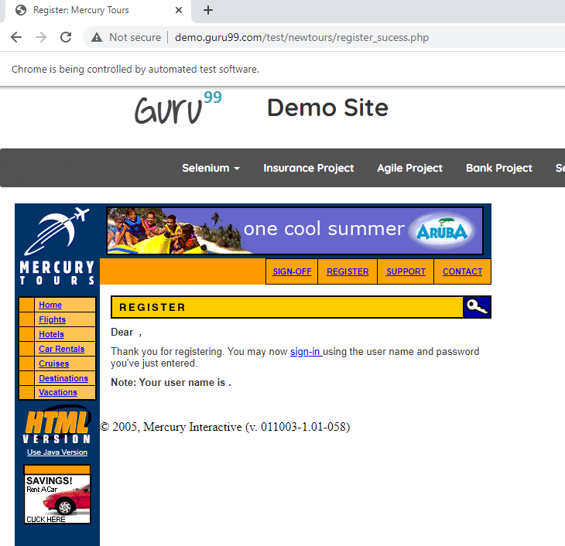
14 | Screenshot

